1. Title Page
Grocery Basket Analysis

Project Name: Instacart Grocery Basket Analysis
Date: November 2022
Analyst Name: Azalia Razman

Contents (clickable links):
Population Flow
Consistency checks
Wrangling steps
Column derivations
Visualizations
Recommendations

Data Citation: "The Instacart Online Grocery Shopping Dataset 2017”, Accessed from https://www.instacart.com/datasets/grocery-shopping-2017 on X/X/2022.
Note: Customer data and product prices were fabricated for learning purposes and are not sensitive information.

2. Population Flow
Title page
Population flow

Exclusion flag
Condition: max_order < 5 (for non active users)
Obervations to be removed: 1,440,295
Final total count of order_products_all: 30,964,564

 | 30,960,764

Orders_products_combined
Orders_products_merged
Orders_products_all

Total: 32,404,859
Total: 32,640,698
Total: 32,404,859

1.) The grey boxes in the first row of the population flow represent the original data sets as they were when you downloaded them. In the Total fields you need to add the count of the rows when you imported the data set into Jupyter.
2.) The second row of boxes (coloured) represents the data sets after you manipulated them, e.g., removed missing values and duplicates. In the Total fields you need to add the count of the rows after conducting these operations. This offers a visual oveview of how the data flows throughout the data consistency checks.
3.) The third row, where also the arrows are coloured, represents the merges you performed between the datasets. In the Total fields you need to add the count of the rows in the merged datasets, so that you end up with the final dataset (in the red box). Keep in mind the final dataset should be without exclusions (based on the exclusion flag).

3. Consistency checks
 |  |  |  | Title page
Consistency checks

Dataset | Missing values | Missing values treatment | Duplicates
orders.csv | days_since_las_order = | maintain. Created nan_flag column
products.csv | 'products_name' = 16 | remove | 5 removed
orders_products_prior
customers | first_name = 11,259 | maintain. Last name still available | no duplicates

Crosstab Checks

Crosstab check of 'days_since_last_order' and 'oder_number'. For order_number =1, all the value for 'days_since_last_order' is = 0. this makes sense because they have no rior order

4. Wrangling steps
 |  |  |  |  |  | Title page
Wrangling steps

File name | Columns dropped | New dataset name (if any) | Columns renamed | Columns' type changed | Comment/Reason
orders.csv = df_order | eval_set | df_order_1
orders.csv = df_order_1 |  |  | df_order_1: [order_dow] to [order_day_of_week] | order_id to str | not a measure
orders.csv = df_order |  |  | days_since_prior_order to days_since_last_order | user_id to str | not a measure
ord_prod_cust.pkl = df_ord_prod_cust |  | ord_prod_cust2.pkl |  | 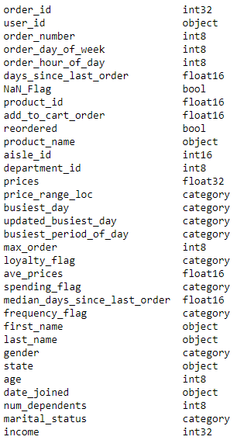 | for memory issues

ord_prod_cust2.pkl = df_ord_prod_cust | _merge in df_orders_products_combined | - |  |  | reduce memory, remove unnecessary
ord_prod_cust2.pkl = df_ord_prod_cust | fist_name, last_name | df_ord_prod_cust_PIIdel |  |  | privacy for PII
ord_prod_cust2.pkl = df_ord_prod_cust_PIIdel_active | active_flag | df_ord_prod_cust_PIIdel_active |  | active: str to category | reduce memory, remove unnecessary
ord_prod_cust2.pkl = df_ord_prod_cust_PIIdel_active |  |  |  | region: str to category
ord_prod_cust2.pkl = df_ord_prod_cust_PIIdel_active |  |  |  | age_flag, income_flag: str to category
ord_prod_cust2.pkl = df_ord_prod_cust_PIIdel_active |  |  |  |  | changing price>100 to nan

5. Column derivations
 |  |  |  |  |  | Title page

Column derivations and aggregations

In this tab you should add tables below that the frequences of flags/label variables that you produced after deriving them. NB: don't do this for continuous variables, only for flags.
File name | Dataset | New column | Column/s it was derived from | New dataset name (if any) | Conditions
orders_wrangled.csv = df_ords | df_ords | Nan_Flag | days since_last_order | df_ords_NanFlag = orders_checked.csv | if Nan=True
orders_products_merged.pkl = df_ords_prods_merged | df_ords_prods_merged | price_range_loc | price | df_ords_prods_merged = ord_prod_merge_flag.pkl | >15 = high range, 5-15 = mid range, <5 = low range
orders_products_merged.pkl = df_ords_prods_merged | df_ords_prods_merged | busiest_day | order_day_of_week | df_ords_prods_merged = ord_prod_merge_flag.pkl | 2 busiest days= busiest days, 2 slowest days = least busiest, the rest = regular
orders_products_merged.pkl = df_ords_prods_merged | df_ords_prods_merged | busisest_hour_of_day | order_hour_of_week | df_ords_prods_merged = ord_prod_merge_flag.pkl | Classifying Assumption: > 2.5 Mil counts = Most orders, < 0.15 Mil counts = Fewest orders, the rest = average
ord_prod_merge_flag.pkl = ords_prods_merge | ords_prods_merge | max_order | order_number | ords_prods_merge = ords_prods_merge_profileflags | max of order_number
ord_prod_merge_flag.pkl = ords_prods_merge | ords_prods_merge | loyalty_flag | max_order | ords_prods_merge = ords_prods_merge_profileflags | If the maximum orders > 40, then = “Loyal customer.”, maximum orders>10and <= 40, then = “Regular customer.” , maximum orders <=10, then = “New customer.”
ord_prod_merge_flag.pkl = ords_prods_merge | ords_prods_merge | ave_prices | price | ords_prods_merge = ords_prods_merge_profileflags | average (mean) of prices
ord_prod_merge_flag.pkl = ords_prods_merge | ords_prods_merge | spending_flag | ave_prices | ords_prods_merge = ords_prods_merge_profileflags | If the mean prices of products purchased < 10, = “Low spender", mean prices of products >= 10, then “High spender.”
ord_prod_merge_flag.pkl = ords_prods_merge | ords_prods_merge | median_days_since_last_order | days since_last_order | ords_prods_merge = ords_prods_merge_profileflags | median of days since_last_order
ord_prod_merge_flag.pkl = ords_prods_merge | ords_prods_merge | frequency flag | median_days_since_last_order | ords_prods_merge = ords_prods_merge_profileflags | If the median of “days_since_prior_order” > 20, then=“Non-frequent customer.”, median > 10 and <= 20, then = “Regular customer.”, median<= 10, then = “Frequent customer.”
ord_prod_cust2.pkl | df_ord_prod_cust_PIIdel | region | state | df_ord_prod_cust_PIIdel | Using regional info obtained from https://simple.wikipedia.org/wiki/List_of_regions_of_the_United_States
ord_prod_cust2.pkl | df_ord_prod_cust_PIIdel | active_flag | max_order | df_ord_prod_cust_PIIdel_active | <5 not active, >=5 active
ord_prod_cust2.pkl | df_ord_prod_cust_active | income_flag | income | df_ord_prod_cust_PIIdel_active | if value < 180000 low income, >= 150000 high income, else normal income
ord_prod_cust2.pkl | df_ord_prod_cust_active | age_flag | age | df_ord_prod_cust_PIIdel_active | if value < 30 young adult, >= 55 senior, else adult
 |  | department | department_id

6. Visualizations
 |  |  |  |  |  | Title page

Visualisations

In this tab you should include all the visualtions from Exercises 4.9 and 4.10, alongside the questions from the project brief that they answer. Include any commentary on the relationship between different variables.

 | Question 1 |  |  |  |  |  | Other visualizations
 | The sales team needs to know what the busiest days of the week and hours of the day are (i.e., the days and times with the most orders) in order to schedule ads at times when there are fewer orders.

Number of orders based on price
Price
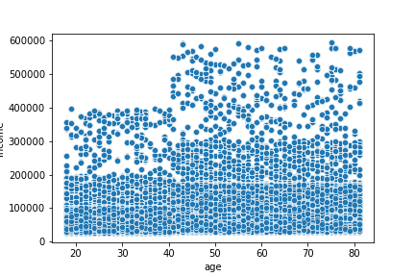
Distribution of Age and Income

Number of orders based on days of the week
Frequency
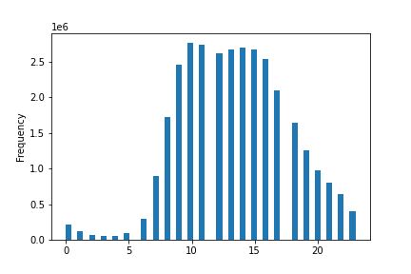
Number of orders based on hour of the day
Hour of the day

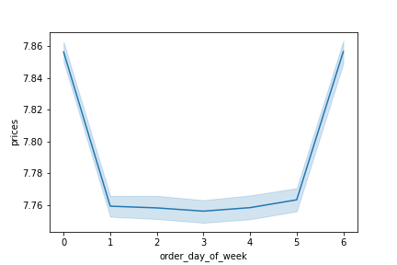
Order Price by day of Week
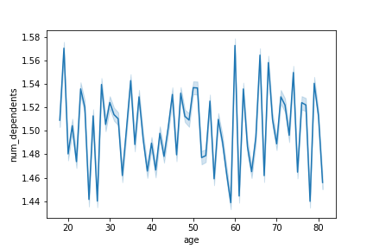
Number of Dependents by Age

Day Numbering

 | Saturday and Sunday are the busiest day of the week while Tuesdays and Wednesdays are the slowest days. The second chart shows that most orders occur around 10 - 11 am during the day and remains busyy between 1-3pm.

 | Question 2
 | They also want to know whether there are particular times of the day when people spend the most money, as this might inform the type of products they advertise at these times.

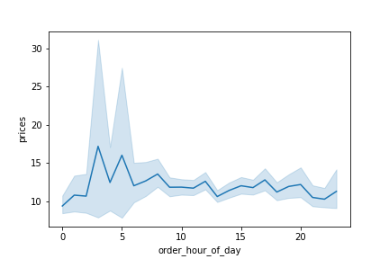
prices of items bought during hour of the day

 | Based on random sample of the data, higher priced items around $16-17 around the hours of 3 and 5 of the day.

 | Question 3
 | Instacart has a lot of products with different price tags. Marketing and sales want to use simpler price range groupings to help direct their efforts.

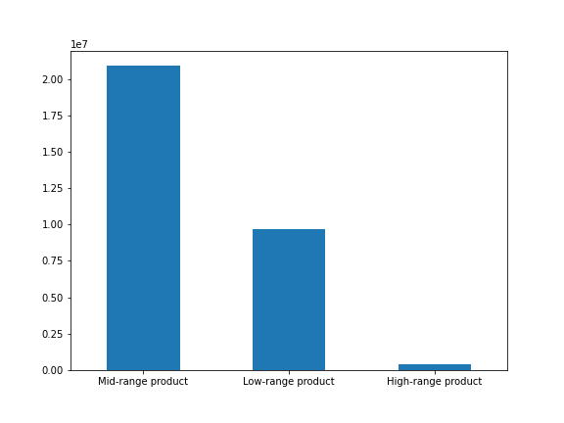
Number of orders by price ranges

 |  | There are a lot of orders on products in the mid-range price

 | Question 4
 | Are there certain types of products that are more popular than others? The marketing and sales teams want to know which departments have the highest frequency of product orders.

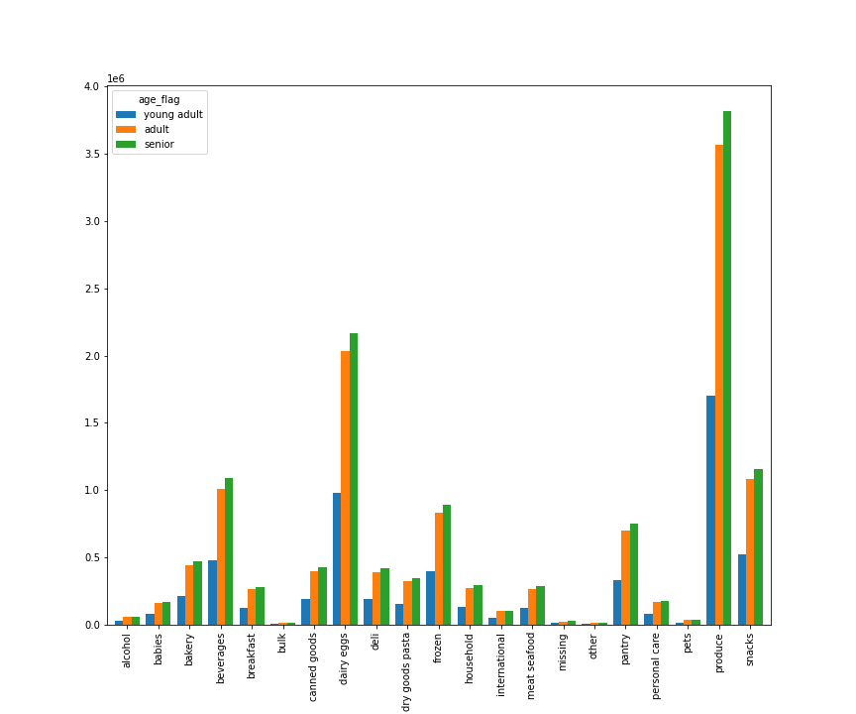
Number of orders by department and age group
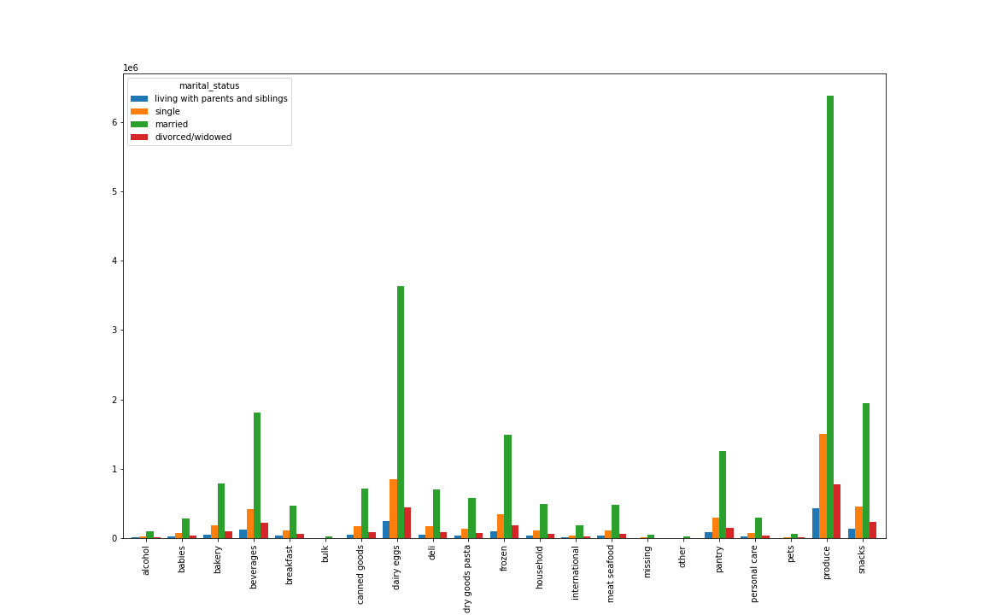
Number of orders by department and marital_status

 | Produce, dairy eggs are two of the most popular departments. Married adults and senior makes a big percentage of the customersi in this department

 | Question 5
 | What’s the distribution among users in regards to their brand loyalty (i.e., how often do they return to Instacart)?
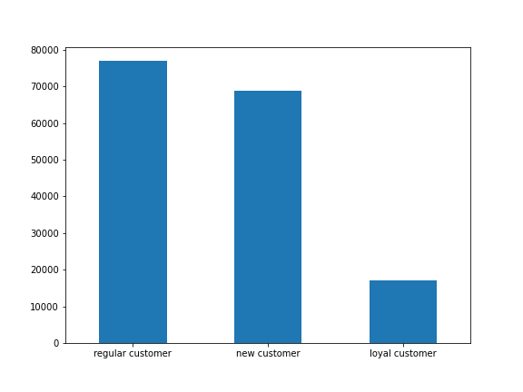
Number of customers by loyalty

 |  |  | Among unique users, there are more regular customers and loyal customers

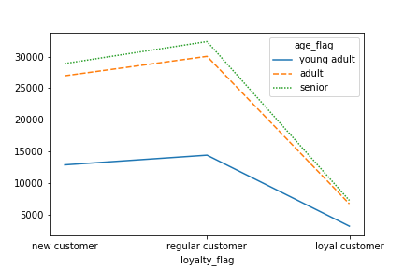
Number of orders by loyalty and age
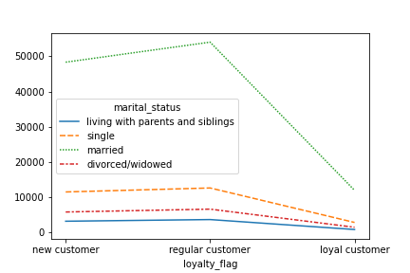
Number of customers by loyalty and marital status

 |  | The loyal customers are mostly seniors who are married

 | Question 6
 | Are there differences in ordering habits based on a customer’s loyalty status?
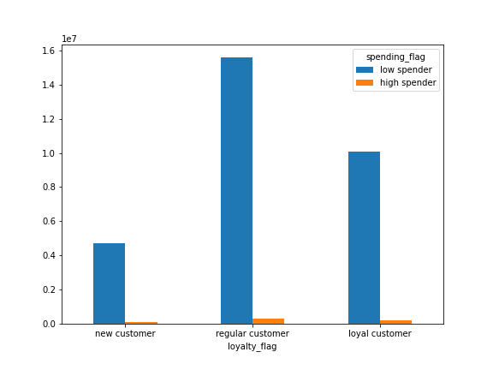
Number of orders by loyalty and spending habit

 |  |  | Regardless of the loyalty of the customers, there are more low spenders than high spenders

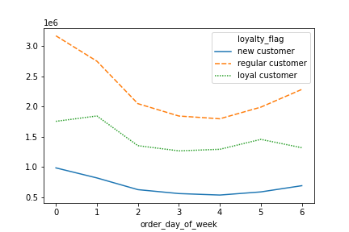
Number of orders by loyalty and hour of the day
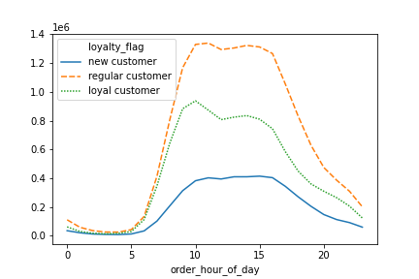
Number of orders by loyalty and hour of the day

 | For regular customers, there are significantly more orders made on Saturday and Sunday compared to middle of the week. The trend for placing order on weekend for new comers are not as steep as the regular customers |  |  | The peak for new customers placing order between 10am and 4pm is almost constant throughout the hours although the volume is much lower. For regular and loyal customers, the numbers have a slight dip at about 12pm.

 | Question 7
 | Are there differences in ordering habits based on a customer’s region?

 | Based on the charts below, there are no significant differences in trends between the regions
number of orders by region and department

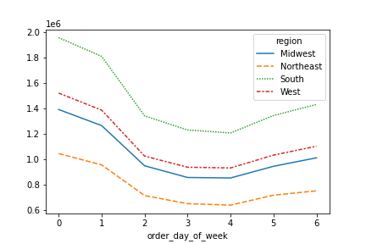
number of orders by region and day of the week
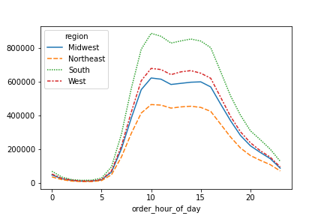
number of orders by region and hour of day

number of orders by region and spending habit
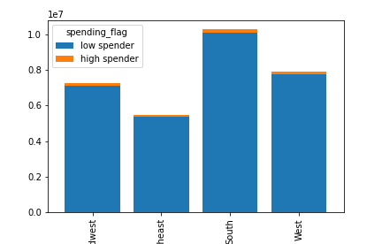

 | Question 8
 | Is there a connection between age and family status in terms of ordering habits?

 | Based on the age group breakdown below, there is no significant difference between the age groups on order time or spending habit. The senior group is the biggest customer in the age group
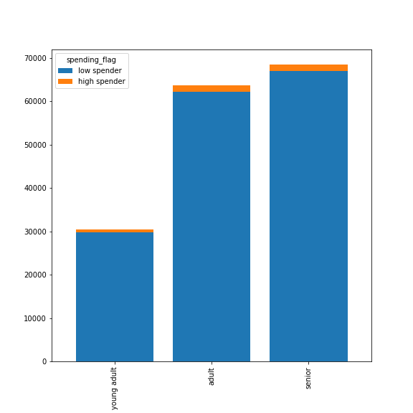
age group and spending habit
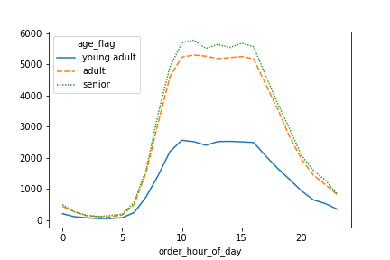
number of orders by age group and hour of the day
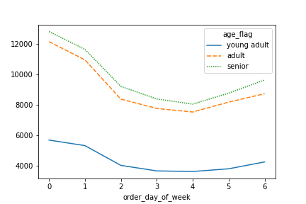
number of orders by age group and day of week

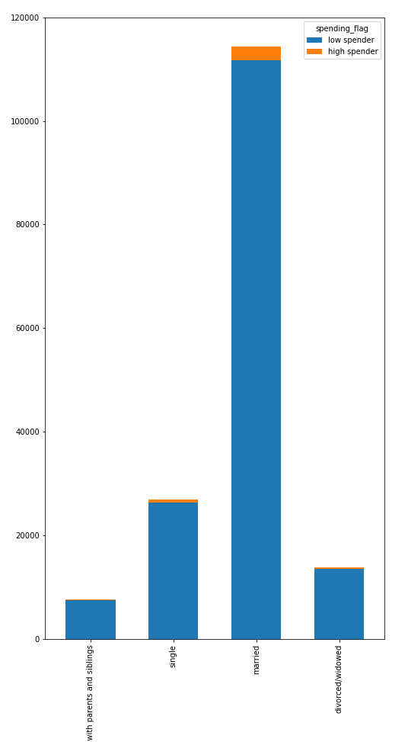
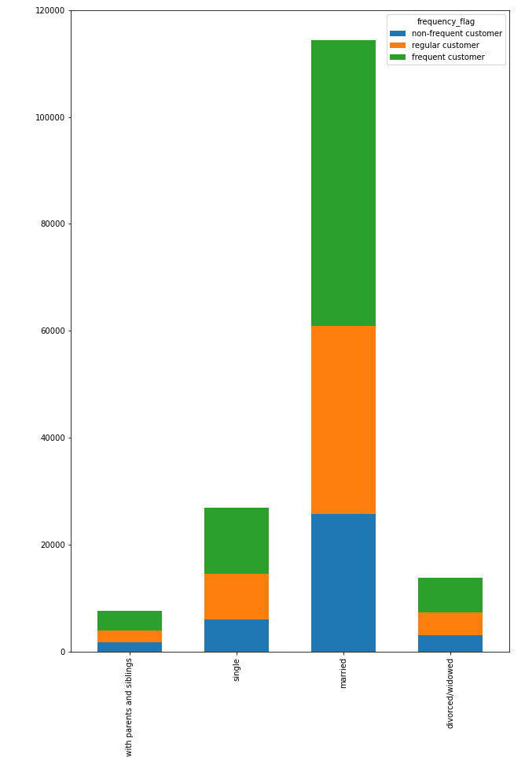

 |  |  |  |  | As with the age group, there is very little difference in ordering habits across marital status. In all cases, the married group is the biggest customer group

 | Question 9
 | What different classifications does the demographic information suggest? Age? Income? Certain types of goods? Family status?

 | Based on the charts below, the following points can be made:
1 | The senior group of more than 55 years old is the biggest customer share and this group has the most high income percentage.
2 | Most of the customers are married and most of the high income earners come from this group.
3 | Most of the married customers are mainly in seniors as well as the adults group and 100% of the divorced & widowed are the seniors.
4 | The biggest single group comes from the adult age group
DEMOGRAPHIC PROFILE

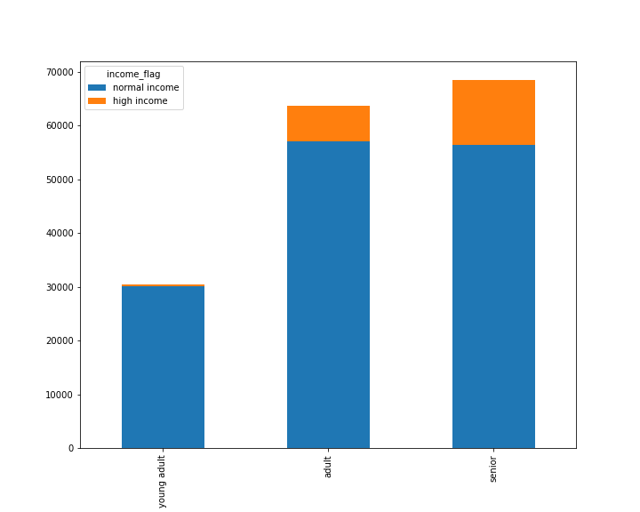
Number customers by age and income group
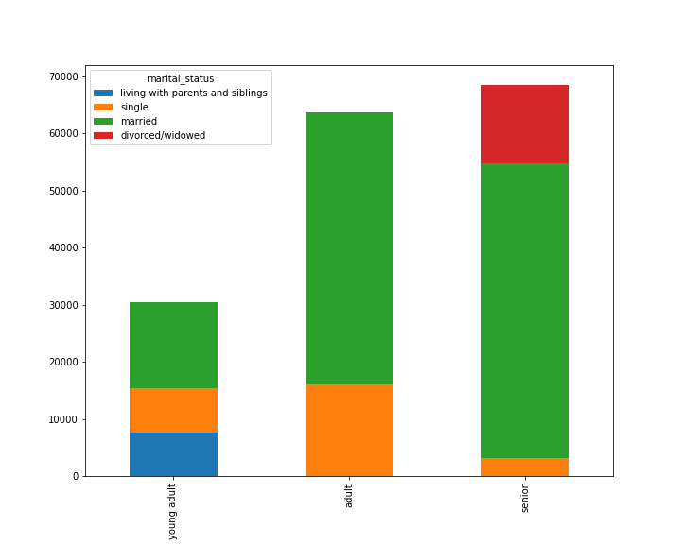
Number customers by age group and marital status

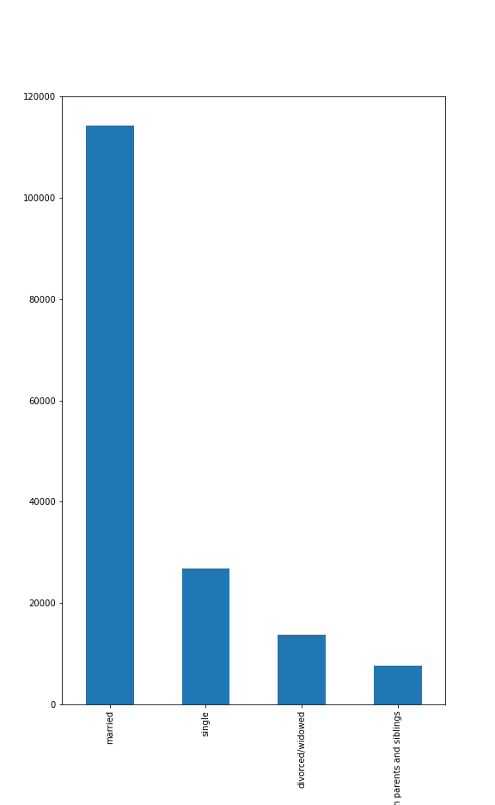
Number customers by marital status
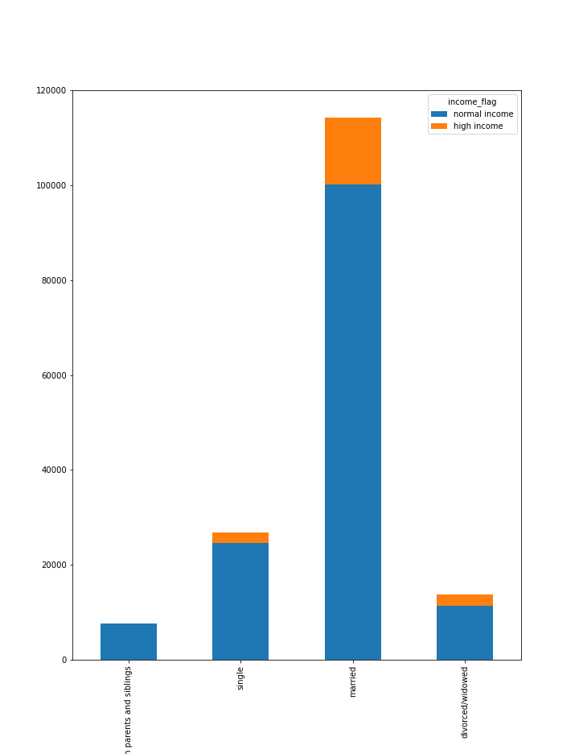
Number customers by marital status and income group
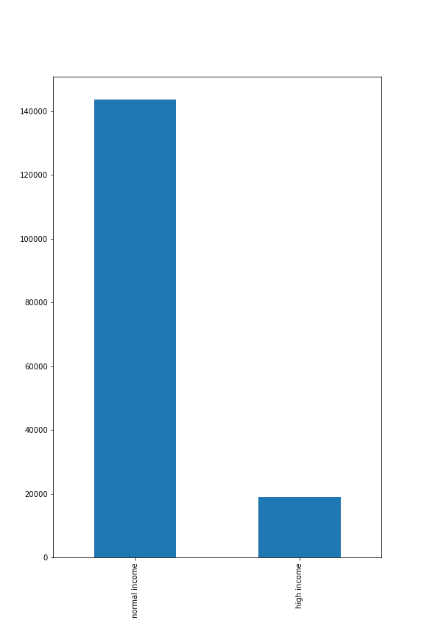
Number customers by income group

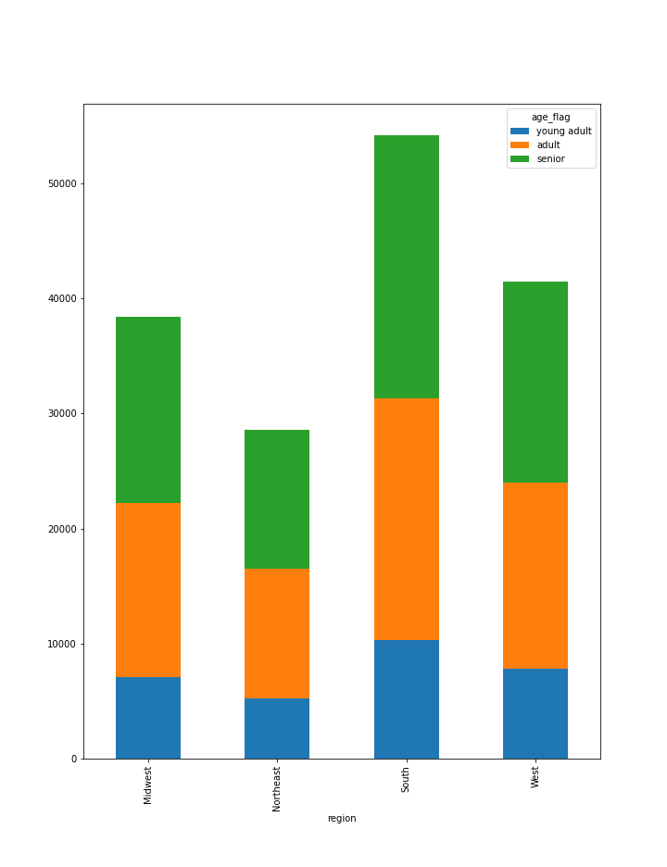
Number customers by age and region

 | Question 10
 | What differences can you find in ordering habits of different customer profiles? Consider the price of orders, the frequency of orders, the products customers are ordering, and anything else you can think of.

 | Most of these questions were addressed in Question 8. Here are some additional comparison
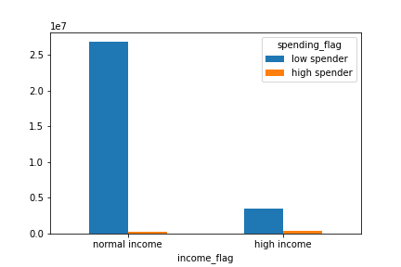
Number of orders by income group and spending habit
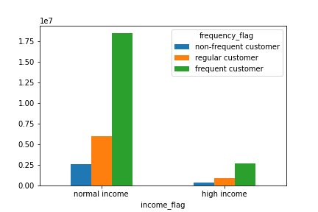
Number of orders by income group and order frequency

 | The high income earners do not significantly spend on more expensive items and does not place more orders than the normal income earners.

7. Recommendations
 |  |  | Title page

Recommendations

In this tab you should include any recommendations you would made to Instcart in terms of their marketing strategy based on the questions posed in the brief. Every key question has been covered in the Tasks of the Exercises - here you need to add an item - a visualisation or table/crosstable that is showing the answer in the data, acompanied by a comment from you. Please, list the questions below and add the answer underneath.

Visualizations are shown in the previous tab: |  | Tab 6.Visualizations

Question
Key Question 1 | The sales team needs to know what the busiest days of the week and hours of the day are (i.e., the days and times with the most orders) in order to schedule ads at times when there are fewer orders.
Answer | To boost up sales, it is recommended to run weekday promotions and ads on Monday to Friday targeting senior and adult group in regular customers as they make up the largest existing customer base and the ones who make the most orders.
Key Question 2 | They also want to know whether there are particular times of the day when people spend the most money, as this might inform the type of products they advertise at these times.
Answer | Based on random sample of the data, higher priced items around the hours of 3 and 5 of the day. It is suggested to run more ads for higher priced items at this hour.
Key Question 3 | Instacart has a lot of products with different price tags. Marketing and sales want to use simpler price range groupings to help direct their efforts.
Answer | Mid range, Low range and high range price buckets are created for the products.
Key Question 4 | Are there certain types of products that are more popular than others? The marketing and sales teams want to know which departments have the highest frequency of product orders.
Answer | Produce, dairy eggs are two of the most popular departments. Married adults and senior makes a big percentage of the customers in this department. They can focus on increasing selection on these products or ensure delivery of high quality freshness for these products in order to retain and get more spending customers
Key Question 5 | What’s the distribution among users in regards to their brand loyalty (i.e., how often do they return to Instacart)?
Answer | Among unique users, there are more regular customers and new customers. Instacart should target seniors and adults who are married to convert these groups onto loyal customers. The needs of these groups need to be understood to turn them into frequent customers. For example, run coupons, or auto subscription service to certain products with a lower product price, ensure favourite products options are available, or even ensure good quality and fresh products.
Key Question 6 | Are there differences in ordering habits based on a customer’s loyalty status?
Answer | Regardless of the loyalty of the customers, there are more low spenders than high spenders. For regular customers, there are significantly more orders made on Saturday and Sunday compared to middle of the week. The trend for placing order on weekend for new comers are not as steep as the regular customers. The peak for new customers placing order between 10am and 4pm is almost constant throughout the hours although the volume is much lower. For regular and loyal customers, the numbers have a slight dip at about 12pm. To enourage the new customers to turn into regular and frequent customers, more ads need to be run on Thursday/Friday to notify them before the weekend peak and for promotions to be held on busy hours between 10am to 4pm.
Key Question 7 | Are there differences in ordering habits based on a customer’s region?
Answer | Based on the charts below, there are no significant differences in trends between the regions. The trends are the same for all regions. Consistent with the customer numbers in the region, South region has the highest orders and Northeast has the lowest orders.
Key Question 8 | Is there a connection between age and family status in terms of ordering habits?
Answer | Based on the age group breakdown below, there is no significant difference between the age groups on order time or spending habit. The senior group is the biggest customer in the age group. This is the same for marital statuses, there is very little difference in ordering habits across marital status. In all cases, the married group is the most frequent customers and where the most 'highest spenders' come from.
Key Question 9 | What different classifications does the demographic information suggest? Age? Income? Certain types of goods? Family status?
Answer | 1. The senior group of more than 55 years old is the biggest customer share and this group has the most high income percentage. 2. Most of the customers are married and most of the high income earners come from this group. 3. Most of the married customers are mainly in seniors as well as the adults group and 100% of the divorced & widowed are the seniors. 4. The biggest single group comes from the adult age group Ads should target the married, senior group as they form the biggest customer base and can affored to spend more on orders.
Key Question 10 | What differences can you find in ordering habits of different customer profiles? Consider the price of orders, the frequency of orders, the products customers are ordering, and anything else you can think of.
Answer | Most of these questions were addressed in Question 8. Some additional findings to add to them are: The high income earners do not significantly spend on more expensive items and does not place more orders than the normal income earners.

